UEF Calculation 160k, 5395
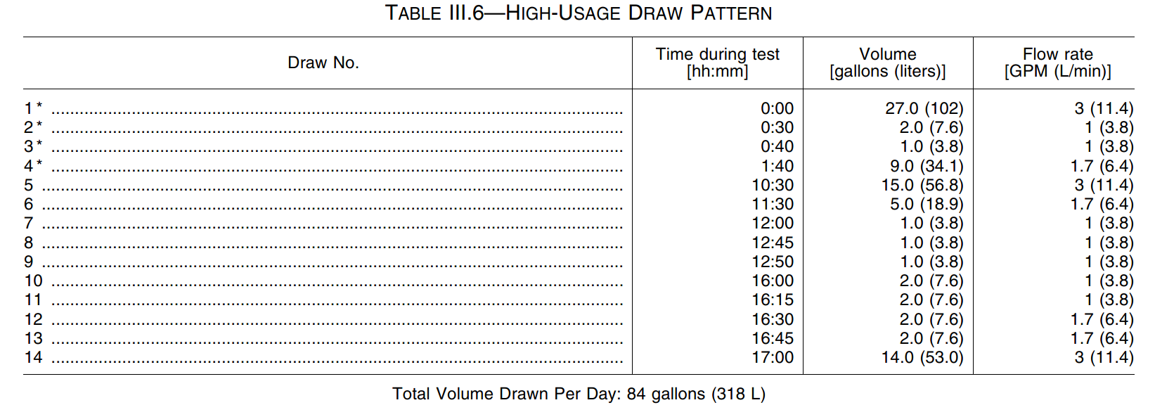
ICN 7480, test ID 4995
EVENT TABLE | Total Test (Qt) |  | 1st Recovery (Qr) |  |  | 1st Recovery (Qr)
Duration | 24.01 |  | 0.15 |  | [hrs] | 543.00 |  | [sec]
Barometer | 29.69 |  | 29.66 |  | [inHg] | 29.66 |  | [inHg]
Ambient Temperature | 66.85 |  | 67.05 |  | [°F] | 67.05 |  | [°F]
Ambient Humidity | - |  | - |  | [%RH] | - |  | [%RH]
Power Consumption | 86.45 |  | 7.92 |  | [whr] | 7.92 |  | [whr]
Gas Consumption | 47.60 |  | 15.15 |  | [ cf] | 15.15 |  | [ cf]
Higher Heating Value | 1,024.03 |  | 1,024.03 |  | [ btu/cf] | 1,024.03 |  | [ btu/cf]
Gas Temperature | 70.94 |  | 72.05 |  | [°F] | 72.05 |  | [°F]
Gas Pressure | 8.40 |  | 8.40 |  | [inH2O] | 8.40 |  | [inH2O]
Gas Meter Correction | 1.0000 |  | 1.0000 |  | [-] | 1.0000 |  | [-]

Correction Factor | 0.98943056968 |  |  |  |  | 0.98638899853
Qr, Input (Btu) |  |  |  |  |  | 15329.915721
Q, Input (Btu) | 48523.600906

DRAW TABLE | *1 | *2 | *3 | *4 | 5 | 6 | 7 | 8 | 9 | 10 | 11 | 12 | 13 | 14
Duration | 543 | 127 | 62 | 326 | 307 | 184 | 64 | 62 | 63 | 125 | 127 | 75 | 77 | 288 | [sec]
Water Flow Rate | 2.99 | 0.96 | 0.99 | 1.66 | 2.95 | 1.65 | 0.96 | 0.99 | 0.98 | 0.97 | 0.96 | 1.63 | 1.60 | 2.94 | [gpm]
Total Water Flow | 27.06 | 2.02 | 1.02 | 9.03 | 15.06 | 5.04 | 1.02 | 1.02 | 1.03 | 2.02 | 2.02 | 2.03 | 2.05 | 14.09 | [gal]
Supply Water Temp. | 57.93 | 58.00 | 58.00 | 57.83 | 57.83 | 57.90 | 57.77 | 58.26 | 57.79 | 57.98 | 58.03 | 57.82 | 57.89 | 57.90 | [°F]
Delivery Water Temp. | 124.27 | 121.66 | 119.95 | 123.75 | 123.29 | 122.22 | 115.75 | 112.43 | 122.50 | 114.50 | 121.26 | 120.02 | 120.59 | 124.33 | [°F]
Power Consumption | 7.87 | 1.40 | 0.70 | 4.21 | 4.56 | 2.36 | 0.70 | 0.60 | 0.70 | 1.40 | 1.40 | 0.95 | 1.00 | 4.21 | [whr]
Gas Consumption | 15.15 | 1.10 | 0.55 | 5.15 | 8.45 | 2.80 | 0.50 | 0.60 | 0.55 | 1.20 | 1.10 | 1.10 | 1.15 | 7.85 | [ cf]

DRAW TABLE | *1 | *2 | *3 | 4 | 5 | 6 | 7 | 8 | 9 | 10 | 11 | 12 | 13 | 14 | Units
Temperature Rise | 66.33 | 63.66 | 61.95 | 65.91 | 65.46 | 64.32 | 57.98 | 54.17 | 64.72 | 56.52 | 63.24 | 62.19 | 62.70 | 66.43 | [°F]
Water Flow Rate | 2.99 | 0.96 | 0.99 | 1.66 | 2.95 | 1.65 | 0.96 | 0.99 | 0.98 | 0.97 | 0.96 | 1.63 | 1.60 | 2.94 | [gpm]
Total Water Drawn {v} | 27.06 | 2.02 | 1.02 | 9.03 | 15.06 | 5.04 | 1.02 | 1.02 | 1.03 | 2.02 | 2.02 | 2.03 | 2.05 | 14.09 | [gal]
Total Water Drawn {m} | 223.05 | 16.68 | 8.38 | 74.43 | 124.18 | 41.53 | 8.46 | 8.42 | 8.51 | 16.72 | 16.68 | 16.76 | 16.93 | 116.13 | [lb]
Density @ Inlet | 8.34 | 8.34 | 8.34 | 8.34 | 8.34 | 8.34 | 8.34 | 8.34 | 8.34 | 8.34 | 8.34 | 8.34 | 8.34 | 8.34 | [lb/gal]
Density @ Outlet | 8.24 | 8.25 | 8.25 | 8.24 | 8.24 | 8.25 | 8.26 | 8.26 | 8.24 | 8.26 | 8.25 | 8.25 | 8.25 | 8.24 | [lb/gal]
Qhw(i) | 15,332.4 | 1,100.2 | 538.0 | 5,083.9 | 8,424.2 | 2,768.3 | 508.6 | 472.8 | 570.5 | 979.5 | 1,093.0 | 1,080.4 | 1,100.0 | 7,994.4 | [btu]
Qhw67(i) | 15,486.1 | 1,157.9 | 581.9 | 5,167.7 | 8,621.7 | 2,883.3 | 587.6 | 584.7 | 590.6 | 1,161.0 | 1,158.0 | 1,163.8 | 1,175.3 | 8,063.0 | [btu]

Mi | 223.05 | 16.68 | 8.38 | 74.43 | 124.18 | 41.53 | 8.46 | 8.42 | 8.51 | 16.72 | 16.68 | 16.76 | 16.93 | 116.13
(Tdel,i + Tin, i)/2 | 91.10 | 89.83 | 88.98 | 90.79 | 90.56 | 90.06 | 86.76 | 85.35 | 90.15 | 86.24 | 89.65 | 88.92 | 89.24 | 91.12
Cpi | 0.99827 | 0.99831 | 0.99831 | 0.99828 | 0.99829 | 0.9983 | 0.99841 | 0.99847 | 0.9983 | 0.99843 | 0.9983 | 0.99832 | 0.99833 | 0.99827
Recovery Efficiency | 0.96357594011
Output | 14771.537953 | 1060.0542755 | 518.26365171 | 4897.986548 | 8114.922513 | 2666.6685437 | 489.73088783 | 455.41354956 | 549.74594043 | 943.53072739 | 1052.8834501 | 1040.720647 | 1059.7382766 | 7701.1697875

Correction Factor | 0.99639268975 | 0.99639268975 | 0.99639268975 | 0.99639268975 | 0.99639268975 | 0.99639268975 | 0.99639268975 | 0.99639268975 | 0.99639268975 | 0.99639268975 | 0.99639268975 | 0.99639268975 | 0.99639268975 | 0.99639268975
Input | 15593.32754 | 1135.0159162 | 567.50795808 | 5305.9385639 | 8697.8501123 | 2885.0246157 | 516.1334528 | 618.54126336 | 567.50795808 | 1237.7649267 | 1135.0159162 | 1133.4805162 | 1185.0256214 | 8080.161849
Input (BTU/h) | 103381.17706 | 32173.679513 | 32952.074985 | 58593.186595 | 101994.33356 | 56446.133785 | 29032.50672 | 35915.299163 | 32429.026176 | 35647.62989 | 32173.679513 | 54407.064776 | 55403.795288 | 101002.02311
Thermal Efficiency | 0.94729863881 | 0.93395542779 | 0.91322710868 | 0.92311407097 | 0.93298026618 | 0.9243139657 | 0.94884546849 | 0.73627028063 | 0.96870172938 | 0.7622858808 | 0.92763760854 | 0.91816368451 | 0.8942745688 | 0.95309598142

QHWi | 15329.915721 | 1100.1253055 | 537.85449609 | 5083.1349602 | 8421.6740739 | 2767.4710759 | 508.2431674 | 472.62860207 | 570.52684438 | 979.19705974 | 1092.6834163 | 1080.0608481 | 1099.7973616 | 7992.2811134 | 47035.594046
QHW,67,i | 15482.429203 | 1157.8447294 | 581.69897075 | 5166.4144771 | 8619.8008394 | 2882.7823707 | 587.31100751 | 584.56925122 | 590.71702323 | 1160.7608458 | 1157.8331313 | 1163.4095952 | 1175.22 | 8060.8585669 | 48371.652073
QHWDi | 152.5134817 | 57.719423822 | 43.844474661 | 83.279516945 | 198.12676556 | 115.31129483 | 79.067840116 | 111.94064915 | 20.190178854 | 181.56378602 | 65.149715001 | 83.348747117 | 75.42469944 | 68.57745348 | 1336.0580267

Qdm | 49859.7

UEFi | 0.29920975381 | 0.022376232559 | 0.01124177631 | 0.099844900533 | 0.16658422611 | 0.055711968201 | 0.011350233201 | 0.011297246669 | 0.011416057053 | 0.022432588733 | 0.022376008418 | 0.022483777835 | 0.022712062748 | 0.15578224035 | 0.93481907253 | 66%

